Sheet1


Company | Xiaomi
Model | Xiaomi Poco F3 | Xiaomi Mi 11 Pro
CPU | Qualcomm Snapdragon 870 5G | Qualcomm Snapdragon 888
GPU | Adreno 650 | Adreno 660
RAM | 8GB | 12GB
ROM | 256GB | 512GB
Camera | 48MP(wide) + 8MP(ultrawide) + 5MP(macro) | 50MP(wide) + 8MP(periscope telephoto) + 13MP(ultrawide)
Screen | 6.67-Inch, FHD (1080x2400), AMOLED, 120Hz | 6.81-Inch, 2k (1440x3200), AMOLED, 120Hz
Battery | 4520mAh | 5000mAh
Charging | Fast charging 33W | Fast charging 67W + Wireless charging 67W
Price | RM1399.00 | RM3999.00
Address | https://www.po.co/global/poco-f3/ | https://shopee.com.my/Original-Xiaomi-Mi-11-Pro-Snapdragon-888-Android-11-5000-mAh-Fast-charging-67W-6.81-inches-CHINA-SET-i.202640079.9865136987?utm_source=an_12193390000&utm_medium=affiliates&utm_campaign=-&utm_content=technaveauto----


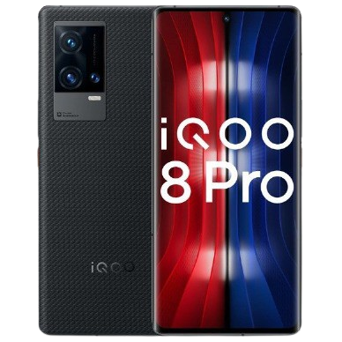
Company | Vivo
Model | Vivo iQOO Neo 5 | Vivo iQOO 8 Pro
CPU | Qualcomm Snapdragon 870 5G | Qualcomm Snapdragon 888+
GPU | Adreno 650 | Adreno 660
RAM | 8GB | 12GB
ROM | 256GB | 512GB
Camera | 48MP(wide) + 13MP(ultrawide) + 2MP(depth) | 50MP(wide) + 16MP(telephoto) + 48MP(ultrawide)
Screen | 6.62-Inch, FHD (1080x2400), AMOLED, 120Hz | 6.78-Inch, 2k (1440x3200), AMOLED, 120Hz
Battery | 4400mAh | 4500mAh
Charging | Fast charging 66W | Fast charging 120W + Wireless charging 50W
Price | RM1899.00 | RM4599.00
Address | https://www.vivo.com.cn/vivo/iqooneo5/ | https://shopee.com.my/VIVO-IQOO-8-VIVO-iqoo-8-Pro-snapdragon-888-120HZ-120W-chagrer-VIVO-iqoo-7-PRO-IQOO8-i.349178841.6787221998?utm_source=an_12193390000&utm_medium=affiliates&utm_campaign=-&utm_content=technaveauto----



Company | Oppo
Model | Oppo Realme GT | Oppo Find X3 Pro 5G
CPU | Qualcomm Snapdragon 888 | Qualcomm Snapdragon 888
GPU | Adreno 660 | Adreno 660
RAM | 8GB | 12GB
ROM | 256GB | 256GB
Camera | 64MP(wide) + 8MP(ultrawide) + 2MP(macro) | 50MP(wide) + 13MP(telephoto) + 50MP(ultrawide) + 3MP(microscope)
Screen | 6.43-Inch, FHD (1080x2400), Super AMOLED, 120Hz | 6.7-Inch, 2k (1440x3216), AMOLED, 120Hz
Battery | 4500mAh | 4500mAh
Charging | Fast charging 66W | Fast charging 65W + Wireless charging 30W
Price | RM1799.00 | RM4199.00
Address | https://www.realme.com/realme-gt | https://shopee.com.my/OPPO-Find-X3-Pro-5G-Smartphone-12GB-256GB-(Snap888-120Hz-3K-Super-VOOC-2.0-65W)-i.46499837.6332246255?utm_source=an_12193390000&utm_medium=affiliates&utm_campaign=-&utm_content=technaveauto----

